EVD_ACC Journal (Compi)
Test Case ID
Test Case Summary

Step # | Test Evidence | Re-Test Evidence (if found Bug/Issue)
1
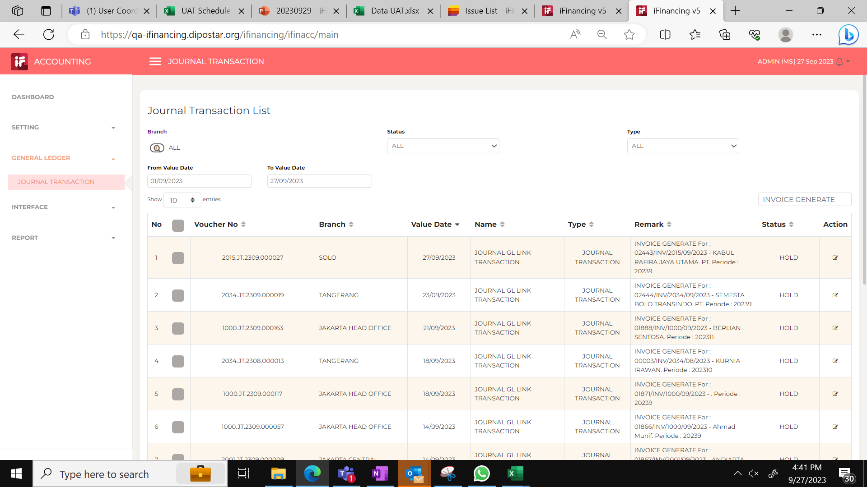

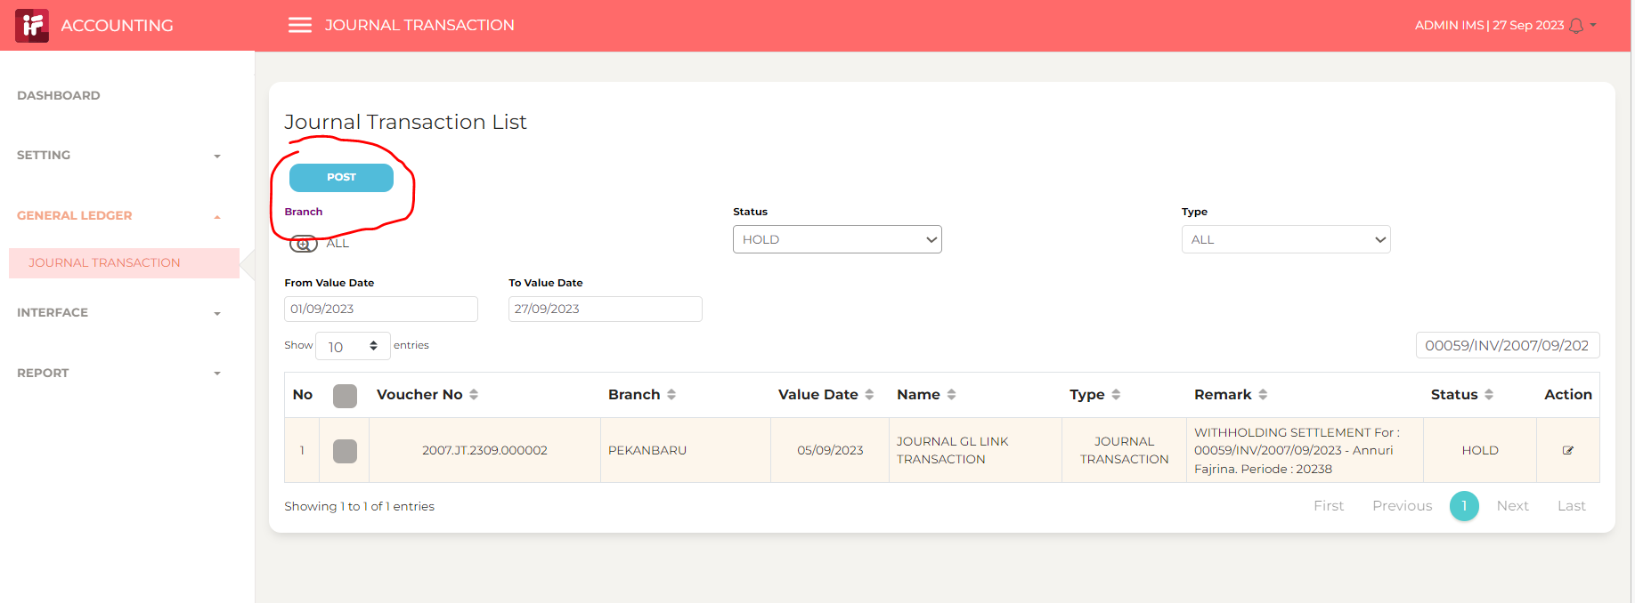

2 | jurnal 1 salah
 | jurnal 2 salah

 | tidak ada transaksi cabang --> opl (treatment seperti factoring)

3

4

Transaksi UAT
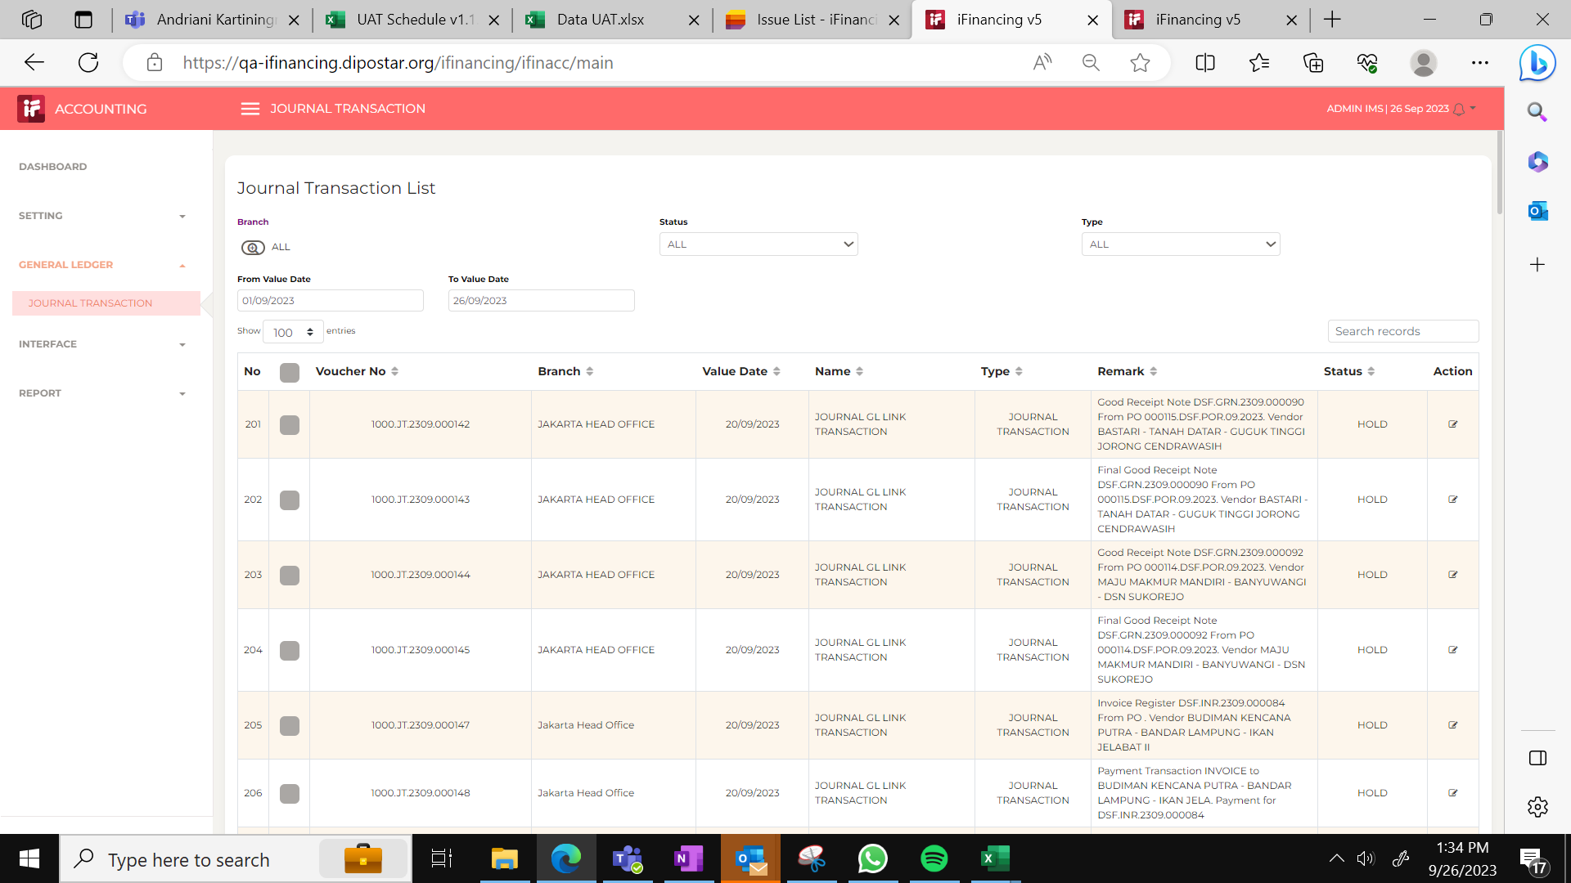
Transaksi
CREDIT NOTE
WITHHOLDING SETTLEMENT AUDIT
INVOICE GENERATE
AR DUE INVOICE
WITHHOLDING SETTLEMENT
INVOICE GENERATE
INVOICE ACCRUE INTEREST INCOME
Invoice Register
Good Receipt Note
Final Good Receipt Note
Received Transaction SALE ASSET
Received Voucher
Payment Voucher
Cashier Transaction
DEPOSIT INSTALLMENT
Received Transaction
Deposit Move
Payment Transaction INVOICE
INVOICE AR - RENTAL PELUNASAN DIPERCEPAT
PREPAID TAX - RENTAL PELUNASAN DIPERCEPAT
OVERDUE PENALTY
CREDIT NOTE PPH
CREDIT NOTE AR

